ISS reports summary
Cumulative cases w/ symptom onset or diagnosis/swab date and cumulative reported cases. Source: ISS.
 | cumulative incidence of cases w/ symptom onset date | cumulative incidence of cases w/ diagnosis/swab date | cumulative reported cases
2020-03-09 | 4555 | 7812 | 8342
2020-03-10
2020-03-11
2020-03-12 | 8331 | 13323 | 13882
2020-03-13
2020-03-14
2020-03-15
2020-03-16 | 13601 | 24346 | 25028
2020-03-17 | 16181 | 27224 | 28293
2020-03-18 | 17389 | 30722 | 31772
2020-03-19 | 18966 | 34927 | 35731
2020-03-20 | 21157 | 39981 | 42220
2020-03-21 | 22993 | 46584 | 48452
2020-03-22 | 28330 | 50246 | 52796
2020-03-23 | 29603 | 55059 | 57989
2020-03-24 | 31959 | 59203 | 62844
2020-03-25 | 34371 | 64130 | 67814
2020-03-26 | 37403 | 70418 | 73780
2020-03-27 | 44204 | 76714 | 79968
2020-03-28 | 46704 | 82510 | 85308
2020-03-29 | 48525 | 87038 | 89967
2020-03-30 | 53084 | 90972 | 94312
2020-03-31 | 55280 | 95077 | 98716
2020-04-01 | 57951 | 98500 | 102669
2020-04-02 | 60313 | 101994 | 106399
2020-04-03 | 63084 | 107342 | 112401
2020-04-04 | 65145 | 111692 | 117050
2020-04-05 | 70012 | 116363 | 120290
2020-04-06 | 71354 | 120570 | 124527
2020-04-07 | 73040 | 123801 | 127790
2020-04-08 | 75897 | 127642 | 131751
2020-04-09 | 77927 | 131995 | 136110
2020-04-10 | 77878 | 133700 | 139377
2020-04-11 | 81792 | 139347 | 143199
2020-04-12 | 82648 | 142425 | 146321
2020-04-13 | 83817 | 146233 | 150189
2020-04-14
2020-04-15 | 86392 | 151212 | 155467
2020-04-16 | 87954 | 155133 | 159107
2020-04-17 | 90191 | 157904 | 162004
2020-04-18
2020-04-19
2020-04-20 | 93188 | 165282 | 169325
2020-04-21
2020-04-22 | 95815 | 169779 | 173730
2020-04-23 | 97568 | 173325 | 177143
2020-04-24 | 109766 | 179451 | 183269
2020-04-25
2020-04-26
2020-04-27 | 118063 | 193301 | 197096
...
day of week | date | time | cumulative incidence of cases w/ symptom onset date | cumulative incidence of cases w/ diagnosis/swab date | cumulative reported cases | cumulative reported deaths
Mon | 2020-03-09 | 16:00:00 | 4555 | 7812 | 8342 | 357
Tue | 2020-03-10 | 16:00:00
Wed | 2020-03-11 | 16:00:00
Thu | 2020-03-12 | 16:00:00 | 8331 | 13323 | 13882 | 803
Fri | 2020-03-13 | 16:00:00
Sat | 2020-03-14 | 16:00:00
Sun | 2020-03-15 | 16:00:00
Mon | 2020-03-16 | 16:00:00 | 13601 | 24346 | 25028 | 1647
Tue | 2020-03-17 | 16:00:00 | 16181 | 27224 | 28293 | 2003
Wed | 2020-03-18 | 16:00:00 | 17389 | 30722 | 31772 | 2390
Thu | 2020-03-19 | 16:00:00 | 18966 | 34927 | 35731 | 3047
Fri | 2020-03-20 | 16:00:00 | 21157 | 39981 | 42220 | 3200
Sat | 2020-03-21 | 16:00:00 | 22993 | 46584 | 48452 | 3770
Sun | 2020-03-22 | 16:00:00 | 28330 | 50246 | 52796 | 4465
Mon | 2020-03-23 | 16:00:00 | 29603 | 55059 | 57989 | 5019
Tue | 2020-03-24 | 16:00:00 | 31959 | 59203 | 62844 | 5542
Wed | 2020-03-25 | 16:00:00 | 34371 | 64130 | 67814 | 6157
Thu | 2020-03-26 | 16:00:00 | 37403 | 70418 | 73780 | 6801
Fri | 2020-03-27 | 16:00:00 | 44204 | 76714 | 79968 | 7590
Sat | 2020-03-28 | 16:00:00 | 46704 | 82510 | 85308 | 8460
Sun | 2020-03-29 | 17:00:00 | 48525 | 87038 | 89967 | 9220
Mon | 2020-03-30 | 18:00:00 | 53084 | 90972 | 94312 | 10026
Tue | 2020-03-31 | 19:00:00 | 55280 | 95077 | 98716 | 10943
Wed | 2020-04-01 | 16:00:00 | 57951 | 98500 | 102669 | 11857
cumulative reported deaths. Source: ISS.
 | cumulative reported deaths
2020-03-09 | 357
2020-03-10
2020-03-11
2020-03-12 | 803
2020-03-13
2020-03-14
2020-03-15
2020-03-16 | 1647
2020-03-17 | 2003
2020-03-18 | 2390
2020-03-19 | 3047
2020-03-20 | 3200
2020-03-21 | 3770
2020-03-22 | 4465
2020-03-23 | 5019
2020-03-24 | 5542
2020-03-25 | 6157
2020-03-26 | 6801
2020-03-27 | 7590
2020-03-28 | 8460
2020-03-29 | 9220
2020-03-30 | 10026
2020-03-31 | 10943
2020-04-01 | 11857
2020-04-02 | 12550
2020-04-03 | 13241
2020-04-04 | 13828
2020-04-05 | 14381
2020-04-06 | 14860
2020-04-07 | 15751
2020-04-08 | 16162
2020-04-09 | 16654
2020-04-10 | 17364
2020-04-11 | 17916
2020-04-12 | 18366
2020-04-13 | 18641
2020-04-14
2020-04-15 | 19508
2020-04-16 | 19996
2020-04-17 | 20531
2020-04-18
2020-04-19
2020-04-20 | 21551
2020-04-21
2020-04-22 | 22586
2020-04-23 | 23188
2020-04-24 | 23576
2020-04-25
2020-04-26
2020-04-27 | 24780
...
Thu | 2020-04-02 | 16:00:00 | 60313 | 101994 | 106399 | 12550
Fri | 2020-04-03 | 16:00:00 | 63084 | 107342 | 112401 | 13241
Sat | 2020-04-04 | 16:00:00 | 65145 | 111692 | 117050 | 13828
Sun | 2020-04-05 | 16:00:00 | 70012 | 116363 | 120290 | 14381
Mon | 2020-04-06 | 16:00:00 | 71354 | 120570 | 124527 | 14860
Tue | 2020-04-07 | 16:00:00 | 73040 | 123801 | 127790 | 15751
Wed | 2020-04-08 | 16:00:00 | 75897 | 127642 | 131751 | 16162
Thu | 2020-04-09 | 16:00:00 | 77927 | 131995 | 136110 | 16654
Fri | 2020-04-10 | 16:00:00 | 77878 | 133700 | 139377 | 17364
Sat | 2020-04-11 | 16:00:00 | 81792 | 139347 | 143199 | 17916
Sun | 2020-04-12 | 16:00:00 | 82648 | 142425 | 146321 | 18366
Mon | 2020-04-13 | 16:00:00 | 83817 | 146233 | 150189 | 18641
Tue | 2020-04-14 | 16:00:00
Wed | 2020-04-15 | 16:00:00 | 86392 | 151212 | 155467 | 19508
Thu | 2020-04-16 | 16:00:00 | 87954 | 155133 | 159107 | 19996
Fri | 2020-04-17 | 16:00:00 | 90191 | 157904 | 162004 | 20531
Sat | 2020-04-18 | 16:00:00
Sun | 2020-04-19 | 16:00:00
Mon | 2020-04-20 | 16:00:00 | 93188 | 165282 | 169325 | 21551
Tue | 2020-04-21 | 16:00:00
Wed | 2020-04-22 | 16:00:00 | 95815 | 169779 | 173730 | 22586
Thu | 2020-04-23 | 16:00:00 | 97568 | 173325 | 177143 | 23188
Fri | 2020-04-24 | 16:00:00 | 109766 | 179451 | 183269 | 23576
Sat | 2020-04-25 | 16:00:00
Sun | 2020-04-26 | 16:00:00
Mon | 2020-04-27 | 16:00:00 | 118063 | 193301 | 197096 | 24780
Tue | 2020-04-28 | 16:00:00 | 125629 | 195715 | 199470 | 25215
Wed | 2020-04-29 | 16:00:00
Thu | 2020-04-30 | 16:00:00 |  |  | 203545 | 25855
Fri | 2020-05-01 | 16:00:00 | 125955 | 201077 | 204576 | 26049
Sat | 2020-05-02 | 16:00:00
Sun | 2020-05-03 | 16:00:00
Mon | 2020-05-04 | 16:00:00 | 123955 | 205891 | 209254 | 26892
Tue | 2020-05-05 | 16:00:00
Wed | 2020-05-06 | 16:00:00 | 126168 | 209216 | 212532 | 27402
Thu | 2020-05-07 | 16:00:00 | 128038 | 210792 | 214103 | 27955
Fri | 2020-05-08 | 16:00:00 | 139566 | 212385 | 215665 | 28274
Sat | 2020-05-09 | 16:00:00
Sun | 2020-05-10 | 16:00:00
Mon | 2020-05-11 | 16:00:00 | 147572 | 215808 | 218997 | 28903
Tue | 2020-05-12 | 16:00:00
Wed | 2020-05-13 | 16:00:00 | 153006 | 218123 | 221133 | 29525
Thu | 2020-05-14 | 16:00:00 | 154883 | 219189 | 222074 | 29692
Fri | 2020-05-15 | 16:00:00 | 156673 | 220513 | 223095 | 29884
Sat | 2020-05-16 | 16:00:00
Sun | 2020-05-17 | 16:00:00
Mon | 2020-05-18 | 16:00:00 | 161522 | 222939 | 225549 | 30332
Tue | 2020-05-19 | 16:00:00

Italy cases by symp. ons. 15may
Date | Day (category mi) | # of cases by symptom onset (frequency fi) | rounded # of cases by symptom onset (frequency fi) | Accumulative # of cases (rounded) | # of cases by symptom onset (frequency fi) - provisional | rounded # of cases by symptom onset (frequency fi) - provisional | Accumulative # of cases (rounded) - provisional | mifi | mifi provisional | (mi-μ)2fi | WebPlotDigitazer digitization software (https://apps.automeris.io/wpd/) has been used to digitize from pdf graph. The points were extracted manually. The fixed value error bar refers to bar extraction algorithm. Actual errors related to the manual process may differ. |  |  | Image size (px) h x v | 2101 | x | 1549 | val. min | -1006.9 | val. max | 6503.5 | ∆x= | irrelevant for manual extraction | px | ∆val= | 2 | px
2020-01-01 | 1 |  |  |  |  |  |  |  |  |  |  |  |  |  |  | val / px | 4.84854745 |  |  |  | Estimated Manual Extraction Error (EMEE) = |  |  |  | err. bar= | 10 | val x point
2020-01-02 | 2 |  |  |  |  |  |  |  |  |  | Sample size of the source | 156673 | Data source: | https://www.epicentro.iss.it/en/coronavirus/bollettino/Infografica_15maggio%20ENG.pdf |  |  |  |  |  |  | Estimated Axis Calibration Error (EACE) = |  |  |  | '' | '' | ''
Incidence of cases by symptom onset date from 24-jan to 15-may 2020. Source: ISS*. (*manual extraction from source graph)
 | rounded # of cases by symptom onset (frequency fi) | rounded # of cases by symptom onset (frequency fi) - provisional
2020-01-25
2020-01-26
2020-01-27
2020-01-28
2020-01-29 | 9
2020-01-30 | 14
2020-01-31 | 14
2020-02-01 | 38
2020-02-02 | 24
2020-02-03 | 19
2020-02-04 | 19
2020-02-05 | 24
2020-02-06 | 19
2020-02-07 | 19
2020-02-08 | 9
2020-02-09 | 14
2020-02-10 | 58
2020-02-11 | 24
2020-02-12 | 38
2020-02-13 | 43
2020-02-14 | 63
2020-02-15 | 126
2020-02-16 | 77
2020-02-17 | 126
2020-02-18 | 160
2020-02-19 | 126
2020-02-20 | 389
2020-02-21 | 301
2020-02-22 | 384
2020-02-23 | 525
2020-02-24 | 676
2020-02-25 | 822
2020-02-26 | 788
2020-02-27 | 866
2020-02-28 | 1167
2020-02-29 | 1046
2020-03-01 | 2287
2020-03-02 | 1868
2020-03-03 | 2141
2020-03-04 | 1878
2020-03-05 | 2520
2020-03-06 | 2871
2020-03-07 | 3012
2020-03-08 | 3489
2020-03-09 | 4262
2020-03-10 | 5844
2020-03-11 | 4116
2020-03-12 | 4603
2020-03-13 | 4992
2020-03-14 | 4462
...
https://www.epicentro.iss.it/en/coronavirus/bollettino/Infografica_15maggio%20ENG.pdf
2020-01-03 | 3 |  |  |  |  |  |  |  |  |  | Sample size of the extracted ds | 156685 | 12
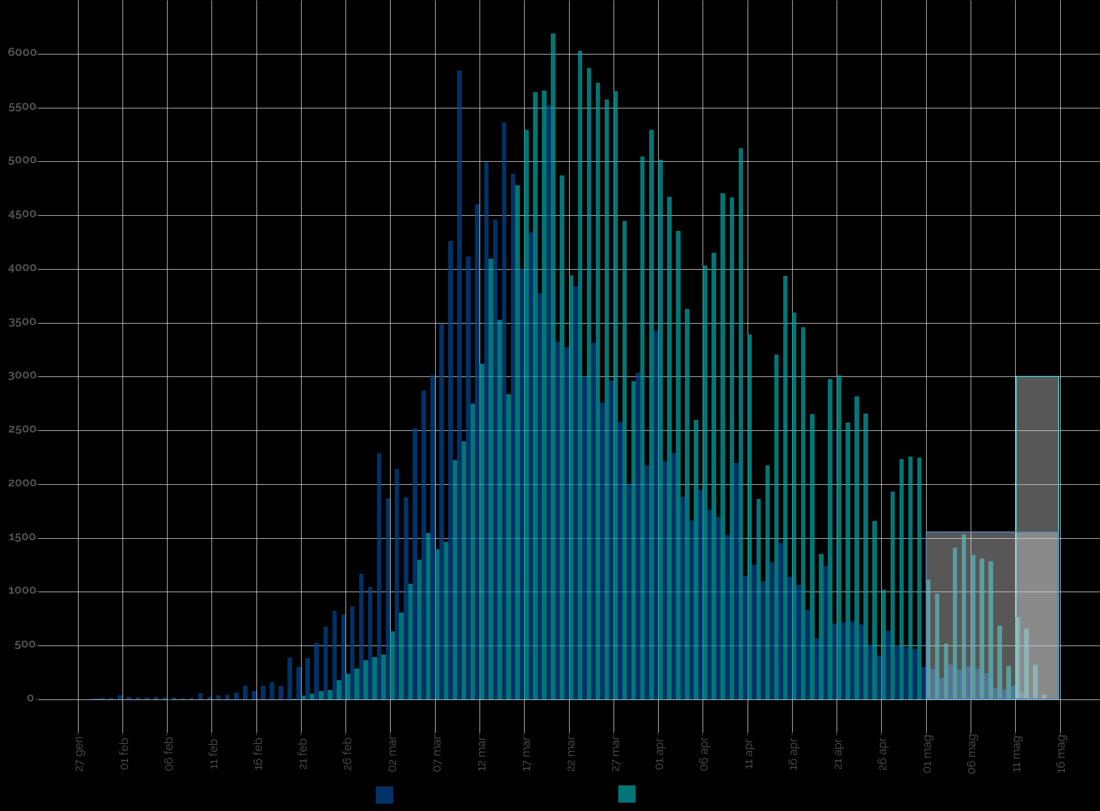
2020-01-04 | 4 |  |  |  |  |  |  |  |  |  | Blue area sample size | 154358 | excess-->
2020-01-05 | 5 |  |  |  |  |  |  |  |  |  | Grey area sample size | 2327
2020-01-06 | 6 |  |  |  |  |  |  |  |  |  |  | Day of the year | DD-Mmm
2020-01-07 | 7 |  |  |  |  |  |  |  |  |  | Mean of extracted sample* | 82 | 2020-03-22
2020-01-08 | 8 |  |  |  |  |  |  |  |  |  | Mean of blue area sample | 81 | 2020-03-21
2020-01-09 | 9 |  |  |  |  |  |  |  |  |  | SD of blue area sample | 15
2020-01-10 | 10 |  |  |  |  |  |  |  |  |  | (*the standard error of the sample mean (SEM) is negligible)
2020-01-11 | 11 |  |  |  |  |  |  |  |  |  | Mode of blue area sample | 70 | 2020-03-10
2020-01-12 | 12 |  |  |  |  |  |  |  |  |  | Median of blue area sample** | 79 | 2020-03-19
2020-01-13 | 13 |  |  |  |  |  |  |  |  |  | (**approx. ± 1 day)
2020-01-14 | 14
2020-01-15 | 15
2020-01-16 | 16
2020-01-17 | 17
2020-01-18 | 18
2020-01-19 | 19
2020-01-20 | 20
2020-01-21 | 21
2020-01-22 | 22
2020-01-23 | 23
2020-01-24 | 24
2020-01-25 | 25
2020-01-26 | 26
2020-01-27 | 27
2020-01-28 | 28
2020-01-29 | 29 | 9 | 9 | 9 |  |  |  | 261 |  | 24336
2020-01-30 | 30 | 14 | 14 | 23 |  |  |  | 420 |  | 36414
2020-01-31 | 31 | 14 | 14 | 37 |  |  |  | 434 |  | 35000
2020-02-01 | 32 | 38 | 38 | 75 |  |  |  | 1216 |  | 91238
2020-02-02 | 33 | 24 | 24 | 99 |  |  |  | 792 |  | 55296
2020-02-03 | 34 | 19 | 19 | 118 |  |  |  | 646 |  | 41971
2020-02-04 | 35 | 19 | 19 | 137 |  |  |  | 665 |  | 40204
2020-02-05 | 36 | 24 | 24 | 161 |  |  |  | 864 |  | 48600
2020-02-06 | 37 | 19 | 19 | 180 |  |  |  | 703 |  | 36784
2020-02-07 | 38 | 19 | 19 | 199 |  |  |  | 722 |  | 35131
2020-02-08 | 39 | 9 | 9 | 208 |  |  |  | 351 |  | 15876
2020-02-09 | 40 | 14 | 14 | 222 |  |  |  | 560 |  | 23534
2020-02-10 | 41 | 58 | 58 | 280 |  |  |  | 2378 |  | 92800
Accumulative # of cases by symptom onset date from 24-jan to 15-may 2020. Source: ISS*. (*manual extraction from source graph)
 | Accumulative # of cases (rounded) | Accumulative # of cases (rounded) - provisional
2020-01-25
2020-01-26
2020-01-27
2020-01-28
2020-01-29 | 9
2020-01-30 | 23
2020-01-31 | 37
2020-02-01 | 75
2020-02-02 | 99
2020-02-03 | 118
2020-02-04 | 137
2020-02-05 | 161
2020-02-06 | 180
2020-02-07 | 199
2020-02-08 | 208
2020-02-09 | 222
2020-02-10 | 280
2020-02-11 | 304
2020-02-12 | 342
2020-02-13 | 385
2020-02-14 | 448
2020-02-15 | 574
2020-02-16 | 651
2020-02-17 | 777
2020-02-18 | 937
2020-02-19 | 1063
2020-02-20 | 1452
2020-02-21 | 1753
2020-02-22 | 2137
2020-02-23 | 2662
2020-02-24 | 3338
2020-02-25 | 4160
2020-02-26 | 4948
2020-02-27 | 5814
2020-02-28 | 6981
2020-02-29 | 8027
2020-03-01 | 10314
2020-03-02 | 12182
2020-03-03 | 14323
2020-03-04 | 16201
2020-03-05 | 18721
2020-03-06 | 21592
2020-03-07 | 24604
2020-03-08 | 28093
2020-03-09 | 32355
2020-03-10 | 38199
2020-03-11 | 42315
2020-03-12 | 46918
2020-03-13 | 51910
2020-03-14 | 56372
...
https://www.epicentro.iss.it/en/coronavirus/bollettino/Infografica_15maggio%20ENG.pdf
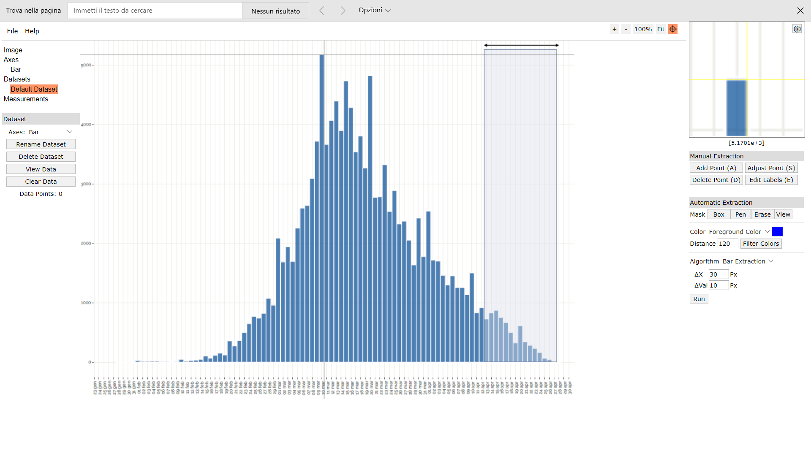
Digitizer example page
2020-02-11 | 42 | 24 | 24 | 304 |  |  |  | 1008 |  | 36504
2020-02-12 | 43 | 38 | 38 | 342 |  |  |  | 1634 |  | 54872
2020-02-13 | 44 | 43 | 43 | 385 |  |  |  | 1892 |  | 58867
2020-02-14 | 45 | 63 | 63 | 448 |  |  |  | 2835 |  | 81648
2020-02-15 | 46 | 126 | 126 | 574 |  |  |  | 5796 |  | 154350
2020-02-16 | 47 | 77 | 77 | 651 |  |  |  | 3619 |  | 89012
2020-02-17 | 48 | 126 | 126 | 777 |  |  |  | 6048 |  | 137214
2020-02-18 | 49 | 160 | 160 | 937 |  |  |  | 7840 |  | 163840
2020-02-19 | 50 | 126 | 126 | 1063 |  |  |  | 6300 |  | 121086
2020-02-20 | 51 | 389 | 389 | 1452 |  |  |  | 19839 |  | 350100
2020-02-21 | 52 | 301 | 301 | 1753 |  |  |  | 15652 |  | 253141
2020-02-22 | 53 | 384 | 384 | 2137 |  |  |  | 20352 |  | 301056
2020-02-23 | 54 | 525 | 525 | 2662 |  |  |  | 28350 |  | 382725
2020-02-24 | 55 | 676 | 676 | 3338 |  |  |  | 37180 |  | 456976
2020-02-25 | 56 | 822 | 822 | 4160 |  |  |  | 46032 |  | 513750
2020-02-26 | 57 | 788 | 788 | 4948 |  |  |  | 44916 |  | 453888
2020-02-27 | 58 | 866 | 866 | 5814 |  |  |  | 50228 |  | 458114
2020-02-28 | 59 | 1167 | 1167 | 6981 |  |  |  | 68853 |  | 564828
2020-02-29 | 60 | 1046 | 1046 | 8027 |  |  |  | 62760 |  | 461286
2020-03-01 | 61 | 2287 | 2287 | 10314 |  |  |  | 139507 |  | 914800
2020-03-02 | 62 | 1868 | 1868 | 12182 |  |  |  | 115816 |  | 674348
2020-03-03 | 63 | 2141 | 2141 | 14323 |  |  |  | 134883 |  | 693684
2020-03-04 | 64 | 1878 | 1878 | 16201 |  |  |  | 120192 |  | 542742
2020-03-05 | 65 | 2520 | 2520 | 18721 |  |  |  | 163800 |  | 645120
2020-03-06 | 66 | 2871 | 2871 | 21592 |  |  |  | 189486 |  | 645975
2020-03-07 | 67 | 3012 | 3012 | 24604 |  |  |  | 201804 |  | 590352
2020-03-08 | 68 | 3489 | 3489 | 28093 |  |  |  | 237252 |  | 589641
2020-03-09 | 69 | 4262 | 4262 | 32355 |  |  |  | 294078 |  | 613728
2020-03-10 | 70 | 5844 | 5844 | 38199 |  |  |  | 409080 |  | 707124
2020-03-11 | 71 | 4116 | 4116 | 42315 |  |  |  | 292236 |  | 411600
2020-03-12 | 72 | 4603 | 4603 | 46918 |  |  |  | 331416 |  | 372843
2020-03-13 | 73 | 4992 | 4992 | 51910 |  |  |  | 364416 |  | 319488 |  |  |  |  |  |  |  |  |  |  |  |  |  |  |  | Author: Ankit Rohatgi Title: WebPlotDigitizer Website: https://automeris.io/WebPlotDigitizer Version: 4.2 Date: April, 2019 E-Mail: ankitrohatgi@hotmail.com Location: San Francisco, California, USA
2020-03-14 | 74 | 4462 | 4462 | 56372 |  |  |  | 330188 |  | 218638
2020-03-15 | 75 | 5362 | 5362 | 61734 |  |  |  | 402150 |  | 193032
2020-03-16 | 76 | 4885 | 4885 | 66619 |  |  |  | 371260 |  | 122125
2020-03-17 | 77 | 3995 | 3995 | 70614 |  |  |  | 307615 |  | 63920
2020-03-18 | 78 | 4340 | 4340 | 74954 |  |  |  | 338520 |  | 39060
2020-03-19 | 79 | 3776 | 3776 | 78730 |  |  |  | 298304 |  | 15104
2020-03-20 | 80 | 5523 | 5523 | 84253 |  |  |  | 441840 |  | 5523
2020-03-21 | 81 | 3323 | 3323 | 87576 |  |  |  | 269163 |  | 0
2020-03-22 | 82 | 3275 | 3275 | 90851 |  |  |  | 268550 |  | 3275
2020-03-23 | 83 | 3839 | 3839 | 94690 |  |  |  | 318637 |  | 15356
2020-03-24 | 84 | 3007 | 3007 | 97697 |  |  |  | 252588 |  | 27063
2020-03-25 | 85 | 3314 | 3314 | 101011 |  |  |  | 281690 |  | 53024
2020-03-26 | 86 | 2759 | 2759 | 103770 |  |  |  | 237274 |  | 68975
2020-03-27 | 87 | 2963 | 2963 | 106733 |  |  |  | 257781 |  | 106668
2020-03-28 | 88 | 2579 | 2579 | 109312 |  |  |  | 226952 |  | 126371
2020-03-29 | 89 | 2004 | 2004 | 111316 |  |  |  | 178356 |  | 128256
2020-03-30 | 90 | 3036 | 3036 | 114352 |  |  |  | 273240 |  | 245916
2020-03-31 | 91 | 2175 | 2175 | 116527 |  |  |  | 197925 |  | 217500
2020-04-01 | 92 | 3425 | 3425 | 119952 |  |  |  | 315100 |  | 414425
2020-04-02 | 93 | 2214 | 2214 | 122166 |  |  |  | 205902 |  | 318816
2020-04-03 | 94 | 2292 | 2292 | 124458 |  |  |  | 215448 |  | 387348
2020-04-04 | 95 | 1883 | 1883 | 126341 |  |  |  | 178885 |  | 369068
2020-04-05 | 96 | 1664 | 1664 | 128005 |  |  |  | 159744 |  | 374400
2020-04-06 | 97 | 1946 | 1946 | 129951 |  |  |  | 188762 |  | 498176
2020-04-07 | 98 | 1766 | 1766 | 131717 |  |  |  | 173068 |  | 510374
2020-04-08 | 99 | 1698 | 1698 | 133415 |  |  |  | 168102 |  | 550152
2020-04-09 | 100 | 1528 | 1528 | 134943 |  |  |  | 152800 |  | 551608
2020-04-10 | 101 | 2199 | 2199 | 137142 |  |  |  | 222099 |  | 879600
2020-04-11 | 102 | 1148 | 1148 | 138290 |  |  |  | 117096 |  | 506268
2020-04-12 | 103 | 1250 | 1250 | 139540 |  |  |  | 128750 |  | 605000
2020-04-13 | 104 | 1099 | 1099 | 140639 |  |  |  | 114296 |  | 581371
2020-04-14 | 105 | 1274 | 1274 | 141913 |  |  |  | 133770 |  | 733824
2020-04-15 | 106 | 1455 | 1455 | 143368 |  |  |  | 154230 |  | 909375
2020-04-16 | 107 | 1138 | 1138 | 144506 |  |  |  | 121766 |  | 769288
2020-04-17 | 108 | 1065 | 1065 | 145571 |  |  |  | 115020 |  | 776385
2020-04-18 | 109 | 832 | 832 | 146403 |  |  |  | 90688 |  | 652288
2020-04-19 | 110 | 569 | 569 | 146972 |  |  |  | 62590 |  | 478529
2020-04-20 | 111 | 1240 | 1240 | 148212 |  |  |  | 137640 |  | 1116000
2020-04-21 | 112 | 705 | 705 | 148917 |  |  |  | 78960 |  | 677505
2020-04-22 | 113 | 715 | 715 | 149632 |  |  |  | 80795 |  | 732160
2020-04-23 | 114 | 725 | 725 | 150357 |  |  |  | 82650 |  | 789525
2020-04-24 | 115 | 695 | 695 | 151052 |  |  |  | 79925 |  | 803420
2020-04-25 | 116 | 506 | 506 | 151558 |  |  |  | 58696 |  | 619850
2020-04-26 | 117 | 408 | 408 | 151966 |  |  |  | 47736 |  | 528768
2020-04-27 | 118 | 637 | 637 | 152603 |  |  |  | 75166 |  | 872053
2020-04-28 | 119 | 496 | 496 | 153099 |  |  |  | 59024 |  | 716224
2020-04-29 | 120 | 486 | 486 | 153585 |  |  |  | 58320 |  | 739206
2020-04-30 | 121 | 472 | 472 | 154057 |  |  |  | 57112 |  | 755200
2020-05-01 | 122 | 301 | 301 | 154358 |  |  |  | 36722 |  | 505981
2020-05-02 | 123 |  |  |  | 282 | 282 | 154640 |  | 34686
2020-05-03 | 124 |  |  |  | 199 | 199 | 154839 |  | 24676
2020-05-04 | 125 |  |  |  | 326 | 326 | 155165 |  | 40750
2020-05-05 | 126 |  |  |  | 277 | 277 | 155442 |  | 34902
2020-05-06 | 127 |  |  |  | 306 | 306 | 155748 |  | 38862
2020-05-07 | 128 |  |  |  | 287 | 287 | 156035 |  | 36736
2020-05-08 | 129 |  |  |  | 243 | 243 | 156278 |  | 31347
2020-05-09 | 130 |  |  |  | 107 | 107 | 156385 |  | 13910
2020-05-10 | 131 |  |  |  | 92 | 92 | 156477 |  | 12052
2020-05-11 | 132 |  |  |  | 126 | 126 | 156603 |  | 16632
2020-05-12 | 133 |  |  |  | 68 | 68 | 156671 |  | 9044
2020-05-13 | 134 |  |  |  | 14 | 14 | 156685 |  | 1876
2020-05-14 | 135
2020-05-15 | 136
2020-05-16 | 137

raw data 15may
 |  | Manual
2020-01-01 | 1
2020-01-02 | 2
2020-01-03 | 3
2020-01-04 | 4
2020-01-05 | 5
2020-01-06 | 6
2020-01-07 | 7
2020-01-08 | 8
2020-01-09 | 9
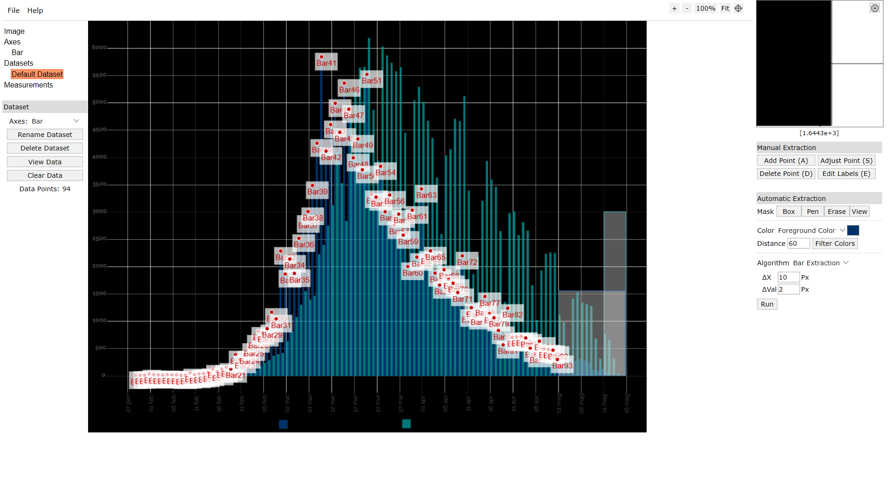
2020-01-10 | 10
2020-01-11 | 11
2020-01-12 | 12
2020-01-13 | 13
2020-01-14 | 14
2020-01-15 | 15
2020-01-16 | 16
2020-01-17 | 17
2020-01-18 | 18
2020-01-19 | 19
2020-01-20 | 20
2020-01-21 | 21
2020-01-22 | 22
2020-01-23 | 23
2020-01-24 | 24
2020-01-25 | 25
2020-01-26 | 26
2020-01-27 | 27
2020-01-28 | 28 | 9 | Auto
2020-01-29 | 29 | 5 | 9.208056453
2020-01-30 | 30 | 14 | 14.074490433
2020-01-31 | 31 | 14 | 14.074490433
2020-02-01 | 32 | 42 | 38.406660335
2020-02-02 | 33 | 23 | 23.807358394
2020-02-03 | 34 | 18 | 18.940924414
2020-02-04 | 35 | 18 | 18.940924414
2020-02-05 | 36 | 23 | 23.807358394
2020-02-06 | 37 | 18 | 18.940924414
2020-02-07 | 38 | 18 | 18.940924414
2020-02-08 | 39 | 9 | 9.208056453
2020-02-09 | 40 | 14 | 14.074490433
2020-02-10 | 41 | 60 | 57.872396257
2020-02-11 | 42 | 23 | 23.807358394
2020-02-12 | 43 | 42 | 38.406660335
2020-02-13 | 44 | 46 | 43.273094315
2020-02-14 | 45 | 65 | 62.738830237
2020-02-15 | 46 | 129 | 126.00247198
2020-02-16 | 47 | 79 | 77.338132178
2020-02-17 | 48 | 129 | 126.00247198
2020-02-18 | 49 | 162 | 160.06750984
2020-02-19 | 50 | 129 | 126.00247198
2020-02-20 | 51 | 388 | 388.78990692
2020-02-21 | 52 | 305 | 301.19409527
2020-02-22 | 53 | 388 | 383.92347294
2020-02-23 | 54 | 527 | 525.05005837
2020-02-24 | 55 | 679 | 675.90951176
2020-02-25 | 56 | 822 | 821.90253117
2020-02-26 | 57 | 790 | 787.83749331
2020-02-27 | 58 | 868 | 865.700437
2020-02-28 | 59 | 1169 | 1167.4193438
2020-02-29 | 60 | 1048 | 1045.7584943
2020-03-01 | 61 | 2286 | 2286.6991593
2020-03-02 | 62 | 1871 | 1868.1858369
2020-03-03 | 63 | 2143 | 2140.7061398
2020-03-04 | 64 | 1880 | 1877.9187049
2020-03-05 | 65 | 2522 | 2520.2879903
2020-03-06 | 66 | 2873 | 2870.6712369
2020-03-07 | 67 | 3012 | 3011.7978223
2020-03-08 | 68 | 3487 | 3488.7083524
2020-03-09 | 69 | 4263 | 4262.4713553
2020-03-10 | 70 | 5843 | 5844.0623989
2020-03-11 | 71 | 4115 | 4116.4783359
2020-03-12 | 72 | 4605 | 4603.1217339
2020-03-13 | 73 | 4993 | 4992.4364523
2020-03-14 | 74 | 4462 | 4461.9951485
2020-03-15 | 75 | 5363 | 5362.2854348
2020-03-16 | 76 | 4887 | 4885.3749048
2020-03-17 | 77 | 4000 | 3994.8174864
2020-03-18 | 78 | 4342 | 4340.334299
2020-03-19 | 79 | 3778 | 3775.8279572
2020-03-20 | 80 | 5524 | 5522.8777562
2020-03-21 | 81 | 3326 | 3323.2495971
2020-03-22 | 82 | 3275 | 3274.5852573
2020-03-23 | 83 | 3838 | 3839.091599
2020-03-24 | 84 | 3007 | 3006.9313884
2020-03-25 | 85 | 3316 | 3313.5167291
2020-03-26 | 86 | 2762 | 2758.7432554
2020-03-27 | 87 | 2965 | 2963.1334825
2020-03-28 | 88 | 2582 | 2578.6851981
2020-03-29 | 89 | 2005 | 2004.4459884
2020-03-30 | 90 | 3039 | 3036.1299922
2020-03-31 | 91 | 2176 | 2174.7711777
2020-04-01 | 92 | 3427 | 3425.4447107
2020-04-02 | 93 | 2217 | 2213.7026496
2020-04-03 | 94 | 2291 | 2291.5655932
2020-04-04 | 95 | 1885 | 1882.7851389
2020-04-05 | 96 | 1663 | 1663.7956098
2020-04-06 | 97 | 1949 | 1946.0487806
2020-04-07 | 98 | 1764 | 1765.9907234
2020-04-08 | 99 | 1700 | 1697.8606476
2020-04-09 | 100 | 1529 | 1527.5354583
2020-04-10 | 101 | 2199 | 2199.1033476
2020-04-11 | 102 | 1150 | 1147.9536079
2020-04-12 | 103 | 1252 | 1250.1487214
2020-04-13 | 104 | 1099 | 1099.2892681
2020-04-14 | 105 | 1275 | 1274.4808913
2020-04-15 | 106 | 1455 | 1454.5389486
2020-04-16 | 107 | 1141 | 1138.2207399
2020-04-17 | 108 | 1067 | 1065.2242302
2020-04-18 | 109 | 831 | 831.63539913
2020-04-19 | 110 | 568 | 568.84796419
2020-04-20 | 111 | 1242 | 1240.4158535
2020-04-21 | 112 | 707 | 705.10811564
2020-04-22 | 113 | 716 | 714.8409836
2020-04-23 | 114 | 725 | 724.57385156
2020-04-24 | 115 | 697 | 695.37524768
2020-04-25 | 116 | 503 | 505.58432245
2020-04-26 | 117 | 411 | 408.25564284
2020-04-27 | 118 | 637 | 636.97803992
2020-04-28 | 119 | 503 | 495.85145449
2020-04-29 | 120 | 485 | 486.11858653
2020-04-30 | 121 | 471 | 471.51928459
2020-05-01 | 122 | 300 | 301.19409527
2020-05-02 | 123 | 286 | 281.72835935
2020-05-03 | 124 | 203 | 198.99898169
2020-05-04 | 125 | 328 | 325.52626518
2020-05-05 | 126 | 277 | 276.86192537
2020-05-06 | 127 | 309 | 306.06052925
2020-05-07 | 128 | 291 | 286.59479333
2020-05-08 | 129 | 245 | 242.79688751
2020-05-09 | 130 | 111 | 106.53673606
2020-05-10 | 131 | 97 | 91.937434119
2020-05-11 | 132 | 129 | 126.00247198
2020-05-12 | 133 | 74 | 67.605264217
2020-05-13 | 134 |  | 14.074490433
2020-05-14 | 135
2020-05-15 | 136
2020-05-16 | 137

